BASES
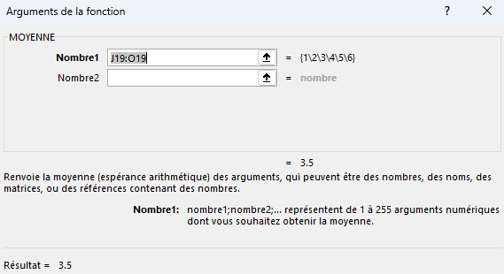
ENGLISH | Formula fundamentals |  | Examples

 | =2,5*2*2 | Must start with the '=' sign | 10 | 5 | 6
 | =2*2+1 | Excel can be used as a calculator
 | =2*(2+1) | Beware of the use of '(' and ')'

 | =$J$1 | Links to the content of the cell | Examples | Examples
 |  |  | Examples | 0

 | =J10+K10 | Adding cell values | 10 | 20 | 30

 | =SUM(J10;K10;L3) | The SUM function to add cell values | 36

 | =SUM(J10:L10) | The SUM function to add all cell values in a range | 60

 | =AVERAGE(J19:O19) | Calculates the average value of a range of cells | 1 | 2 | 3 | 4 | 5 | 6 | 3.5

 | =MAX(K22:K28) | Find the max value in a range | Prod | Price |  | Max | 660
 |  |  | Geforce RTX 3060 | 325
 | =MIN(K22:K28) | Find the min value in a range | Geforce RTX 3070 | 390 |  | Min. | 325
 |  |  | Geforce RTX 4070 | 450
 | =M25&"="&N25&", min="&N23&",max="&N21 |  | Geforce RTX 4080 | 510 |  | AVG | 470
 | Concatenating strings and numbers inside a formula |  | Geforce RTX 4090 | 660
 | =CONCAT(M21;": ";N21;" - ";M23;": ";N23;" - ";M25;": ";N25) |  | Radeon 7900 | 540 |  | AVG=470, min=325,max=660
 |  |  | Radeon 6700 | 415
 |  |  |  |  |  | Max: 660 - Min.: 325 - AVG: 470
 | Click inside the formula bar to view the cells used in this formula
 |  |  |  |  |  | TOTAL PRICE = 3290

 | Formulas > Trace Precedent
 | Displays arrows to the cells used in the formula

 | Formulas > Trace Dependent
 | Displays arrows to the cells using this formula
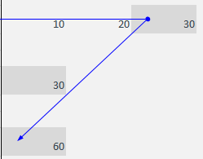

 | The 'fx' button to the left of the formula bar pops up a window with details and results of the selected formula
 | Use: click on a cell containing a formula then click on 'fx'.
 | In case of multiple functions used inside the formula, click on the desired function before pressing 'fx'.

